Table 2
Fig. 1 Schematic diagram of WEDM
In WEDM, because it is a complex stochastic process, it is very difficult to determine the optimal machining parameters for the best machining
The overall objective of this research is to apply a new process modelling and optimization method-
Later, a popular evolutionary algorithm, non-dominated sorting genetic algorithm II (NSGA-II), was used to retrieve the multiple optimal sets of input variables.
2 LITERATURE SURVEY
Scott et al. [3] developed the empirical models to predict surface finish and material removal rate on machining D2 tool steel. They recognized that there was no single combination of levels of the different factors that could be optimal under all situations. To locate the optimal machining parameters, the non- dominated point approach was applied, using explicit enumeration of all possible combinations and the dynamic programming method. Tarng eta1. [4] used a feedforward neural network to determine the optimal cutting parameters for improving the cutting per- formance measures of machining speed and surface
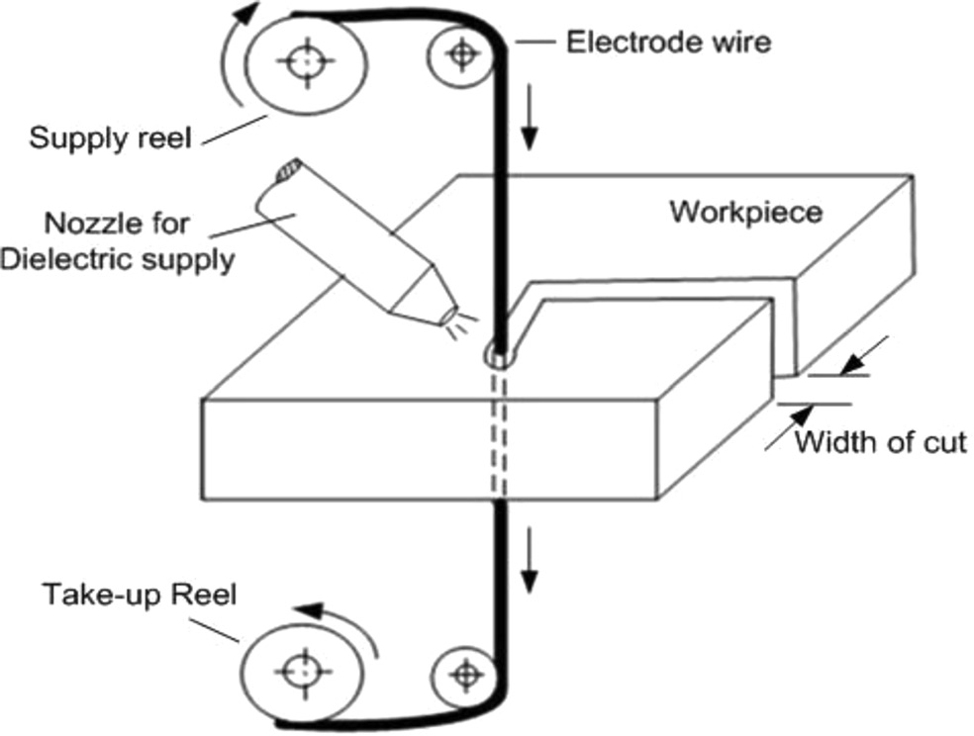
finish. Spedding and Wang [5] used response surface methodology andartificial neuralnetworks (ANNs) for modelling of the WEDM process. They modelled the responses of cutting speed, surface roughness, and surface waviness for AISI 420. Huang et al. [6] investi- gated experimentally the effect of machining param- eters on gap width, surface roughness, and the depth of white layer. Ramakrishnan and Karunamoorthy [7] developed a mathematical model with the response surface methodology in order to predict the perfor- mance characteristics of the WEDM process. Hewidy et al. [8] developed mathematical models correlat- ing the various WEDM machining parameters with volumetric MRR, wear ratio, and surface roughness based on the response surface methodology. Sarkar et al. [9] used a feedforward back-propagation neu- ral network to model the machining process. Manna and Bhattacharyya [10] studied seven different con- trol parameters for optimization of the process using a Taguchi design methodology for the metal matrix composite of Al/SiC. They considered cutting speed, surface roughness, material removal rate, and spark gap as measures of the process performance. Han et al. [11] experimentally investigated the influence of machining parameters on surface roughness taking brass as the electrode and Cr12 alloy as the workpiece. Chiang [12] used the response surface methodology to investigate the influence of machining parame- ters on material removal rate, electrode wear ratio, and surface roughness of Al2O3 TiC mixed ceramic material.
3 CRITIQUE ON THE LITERATURE SURVEY
The literature survey reveals that particular efforts were devoted to determine the most accurate mod- els for surface roughness and material removal rate. These empirical models were utilized as objective functions and were optimized to obtain the machin- ing conditions for the required material removal rate and the surface roughness.
[13]. Therefore, effective, efficient, and eco- nomic utilization of the WEDM process necessitates an accurate modelling and optimization procedure.
productivity while surface roughness (Ra) is a mea-
sure of work quality.
performance. |  | Moreover, the performance measures,
namely MRR and Ra, |  |  |  | are conflicting in nature as it
is desirable to have higher MRR with lower value of
surface roughness.
ology for the |  | highly non-linear and complex manu-
facturing process of WEDM. With this aim, accurate
predictionmodelstoestimate MRR and Ra were devel- oped from the experimental data using a potential
evolutionary modelling algorithm called genetic pro-
gramming (GP). |  |  | Subsequently, |  |  | the developed models
were used for optimization of the process. As the cho-
sen objectives, MRR and Ra, are conflicting in nature,
the problem was formulated as a multi-objective
optimization problem.
 |  |  |  |  | Also the literature shows
that the predominant modelling and optimization
tools usedtodatehave been Taguchi-based regression
analysis, response surface methodology, and ANNs.
However, the accuracy and possibility of determin-
ing the global optimum solution depend on the type
of modelling technique used to express the objective
function and constraints as functions of the decision
variables
 | In most conventional deterministic approaches
such as multiple regression and response surface
methodology, a prediction model has to be deter-
mined in advance and a set of coefficients has to be
found. The pre-specified size and shape of the model

Table 3
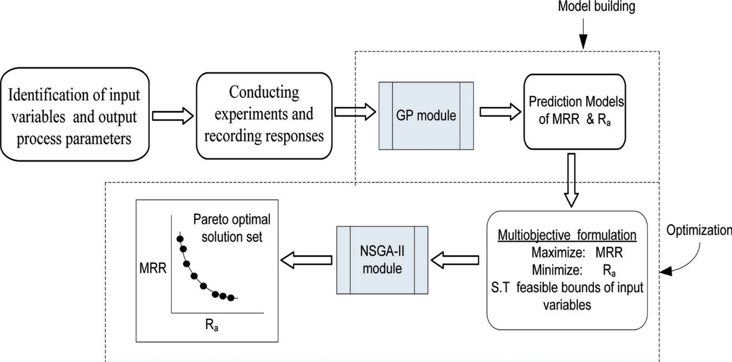
Fig. 2 Proposed methodology
run. | As a result, a most commonly used evolution-
ary approach, the NSGA-II is proposed in this paper
for multi-objective optimization of WEDM. |  | Genetic
algorithm (GA)-based multi-objective optimization
methodologies have been widely used in the literature
to find Pareto-optimal solutions
meanthatthesearenotadequatetocaptureacomplex
relation between the influencing variables and out-
put parameters. Like the aforementioned approaches,
although ANNs have also been used extensively in the
literature for modelling, they have the drawback of
not being able to quantify explicitly the relationships
between inputs and outputs.
4 PROPOSED METHODOLOGY
[15–18]. In partic- ular, NSGA-II has proven its effectiveness and effi- ciency in finding well-distributed and well-converged sets of near Pareto-optimal solutions [19]. The pro- posed methodology of integrating GP and NSGA-II is depicted in Fig. 2.
5 MODELLING USING GP
In this paper, a novel approach is presented for mod-
elling of material removal rate and surface roughness
using GP. The distinctive aspect of GP as compared
to traditional approaches is it does not make any pre-
sumption about the formulation to be made. Also the
generated model helps directly to obtain an interpre-
tation of the parameters affecting the process. More
details of this methodology are discussed in section 5.
The models developed by GP were subsequently used
for optimization. In the current study, the optimization problem
of WEDM was explicitly formulated as a multi-
objective optimization problem, as the determina-
tion of the optimal machining conditions involves
a conflict between maximizing MRR and minimiz-
ing the surface roughness. It can be noted that the
classical optimization methods (weighted sum meth-
ods, goal programming, min–max methods, etc.) are
not efficient for handling multi-objective optimiza-
tion problems because they do not find multiple
solutions in a single run, and therefore it is neces-
sary for them to be applied as many times as the
number of desired Pareto-optimal solutions [14]. The
above-mentioned difficulty of classical optimization
methods is eliminated in evolutionary algorithms,
as they can find the multiple solutions in a single
Evolutionary approaches attempt to find the best
solution to a problem by mimicking the process of
evolution in nature using Darwin’s theory of ‘sur-
vival of the fittest’. Individual potential solutions
are selected based on their fitness from the ini-
tially generated random population. The potential
solutions are then recombined to produce better solu-
tions. The extreme popularity of these techniques is
because of their success in searching highly complex
non-linear spaces and their robustness in practical
applications. Genetic programming is one such evolu-
tionary method which can be used to generate models
with interaction terms or higher order terms. Genetic
programming is a relatively new approach when com-
pared to other variations of evolutionary algorithms
such as evolutionary strategies, GAs, and evolutionary
programmes. The main principles of GP and its related termi-
nology were developed by Koza [20]. Since then
this technique has found widespread applications in
diversified fields such as industrial robotics [21], fault
detection [22], prediction of shear strength of beams

Table 4
compositions of the functions and terminals. |  |  |  |  |  |  |  |  |  |  |  |  |  | This
population consists of a group of individuals, each
comprising a single mathematical expression coded
to conform to a tree structure.
[23], |  | identification of fuzzy models [24], etc. However,
it is noteworthy that the potentiality of this tool has
notbeenmuchexploited inthefield of manufacturing;
very few applications in the field of manufacturing can
be found in the literature [25–27]. Therefore, in the
present work, the proposed method is used to model
a machining process.
 | The main principles of GP are a logical exten-
sion of GAs since both are population-based methods
and use evolutionary techniques to arrive at optimal
solutions. This population-based approach avoids
the possibility of the solution becoming trapped in
a local optimum, which is a major problem with
gradient-based methods.
 | In GP, a solution to a problem is represented as a
computer program, which has a hierarchical compo-
sition (tree-like structure) of terminals and functions
appropriate to a particular problem domain. In this
algorithm, input variables are usually called termi-
nals and the user specifies a number of functions
that manipulate terminals. The primitive functions
typically include: arithmetic operations (+, –, *, /),
Boolean operations (AND, OR, NOT), logical opera-
tions (IF–THEN–ELSE), and non-linear functions (sin,
cos, tan, exp, log). Compatibility between the func-
tions and terminals must be ensured in order for them
to pass information impeccably |  |  |  |  |  |  |  |  |  |  |  | between each other
[28]. |  | Typical representation of an individual in GP is
shown i |  |  | n | Fig. |  | 3, w | hich co |  |  | rr | esponds to the expres-
 |  |  |  |  | + |  |  | −
the representation are {+, –, *, /} whereas the set of
terminals are {x, y, z}.
One of the most commonly used methods for ensuring this is the ramped half-and-half algorithm. This method was proposed by Koza [20] to produce a wide variety of trees of various sizes and shapes.
 |  |  |  |  |  |  |  |  |  |  |  |  | Once the popu-
lation is generated, each individual is evaluated by
its fitness value, which is a measure of how well it
solves the given problem. Only the fitter individu-
als are modified while the population size is kept
constant.
5.2 Genetic operators
The initial population is gradually improved through
the genetic operators – selection, crossover, and muta-
tion. Selection is the exploitation phase of search in
which emphasis is given to the highly fit individuals.
The selection operation ensures that good individuals
remain in the population. There is a good number of
selection operators in the literature for propagating
the influence of the best fit individuals in the popu-
lation, such as tournament selection, rank selection,
and roulette wheel selection.
 | Exploration in GP is brought about by crossover
and mutation operations. In crossover operation, two
of the fittest individuals are randomly selected to
be the parents and the selected parts of the par-
ent schemata are swapped, hopefully to produce
better ones. |  |  |  |  | This process is illustrated in Fig. 4. |  |  |  |  |  |  |  |  |  | It
should be noted that highlighted parts of the parent
trees in the figure exchange each other to produce
two offspring.
sion of x .15
yΣ /Σy (x
z)Σ. The set of functions in
5.1 Generation of initial population
Fig. 3 Representation of GP tree
The expressions for the two parents and two offspring are also presented. To produce the good offspring so far obtained, not all are sub- jected to crossover. Mutation maintains genetic diver- sity and prevents the solution from becoming stuck on a local minimum.
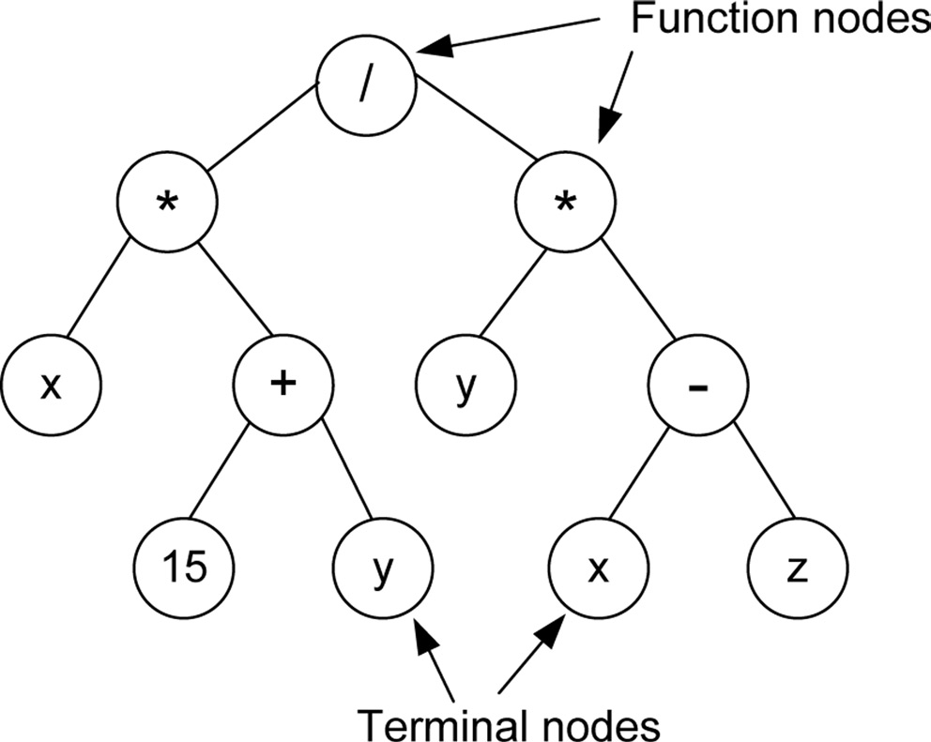
5.3 Termination criterion
Genetic programming starts with generation of
an initial population of the problem by random
 |  |  |  |  |  |  |  |  | In mutation, one randomly
selected node is replaced by another from the same
set except itself. The process of mutation is illus-
tratedin Fig. 5. Koza [20] recommendedthatcrossover
and reproduction should be the chief operators of
GP while the exploitation of mutation should be very
restricted.
Implementation of the aforementioned three opera-
tors constitutes one generation and the procedure is
repeated until a termination criterion is met. The ter-
mination criterion can be either a prescribed number
of generations or sufficient quality of the solution. The
number of runs required for a satisfactory solution
depends on the complexity of the problem under
consideration.
Fig. 4 Illustration of crossover operator

Fig. 5 Illustration of mutation operator
6 OPTIMIZATION USING NSGA-II

The application of evolutionary algorithms (EAs) for solving multi-objective optimization problems has been explored over a long period in the literature. Among these, the NSGA-II,, developed by Deb et al. [19], is a well-known and extensively used algorithm that has been applied successfully to several non- linear complex optimization problems. NSGA-II has proved to be more worthy over its predecessor non- dominated sorting genetic algorithm (NSGA), mainly in four aspects [19]:
(a) it has reduced the computational complexity;
(b) it uses an elitist approach, i.e. the best individuals are preserved in each generation;
(c) it uses a crowded comparison operator to main- tain diversity of solutions;
(d) there is an absence of niched operators.
6.1 Non-dominated sorting
In this algorithm the population is initialized in a similar way to the single objective EAs. Once the population is initialized and the fitness function is evaluated, then the population is sorted based on non-domination into different fronts. The first front comprises the completely non-dominant individuals in the current population and the second front com- prises only those dominated by the individuals in the first front and the third front, of only those dominated by the individuals in the first and second fronts, and so on. Each individual in each front is assigned rank value, based on the front in which it is placed. Indi- viduals in the first front are given a fitness value of 1, thoseinthesecondavalue of 2, andsoon. The ranking scheme for a small number of solutions is illustrated in Fig. 6, where f1 and f2 are the two functions to be minimized.

6.2 Crowding distance
In order to maintain diversity among solutions gen- erated, a parameter called crowding distance [29] is calculated for each individual apart from fitness value. The crowding distance is a measure of how close an individual solution is to its neighbours. Large aver- age crowding distance will result in better diversity in the population. Crowding distance gives an estimate of the density of solutions surrounding a solution i by taking the average distance of two solutions on either side of solution i along each of the objectives. As shown in Fig. 7, the crowding distance of the ith solution di represents the average side length of the
cuboid. The procedurefor calculatingthecrowdingdistance
Fig. 6 Illustration of ranking procedure in NSGA-II
Fig. 7 Illustration of crowding distance calculation
1. The number of solutions in F is called L. For each solution i in the set, at first di 0.
2. For each objective m 1, 2, ... , M , the set is sorted
inworst orderof fm. Hencethesortedindicesvector
I m sort(fm) is calculated.
3. For m 1, 2, ... , M a large distance is assigned to the boundary solutions (I and L), or dI 1m dI 1m and for all other solutions j 2 to (L 1), the following equation is used to compute their corresponding values
Im m
f j+1 − f j 1
dI m = dI m + f max − f min

(1)
where index I j indicates the solution index for the jth member in the sorted list. For any objective, I 1 and I L denote the lowest and highest objective function values, respectively.
6.3 Selection
Parents for crossover are selected from the popula- tion using binary tournament selection as explained below.
Among two solutions i and j available for selec- tion, the solution i wins the tournament over j if the following conditions are true:
(a) if solution i has better rank over j, i.e. ri < rj;
(b) if both solutions have the same rank, i.e. ri rj, but i has larger crowding distance than j,
i.e. di > dj.
6.4 Procedural steps
The steps involved in NSGA-II based on the main framework of the algorithm [19] shown in Fig. 8 can be stated in the following steps.
1. Select control parameters: population size, max- imum number of generation, crossover probabil- ity, and mutation probability (generation, g 0)
2. Generate randomly a uniformly distributed par- ent population, Pg of size N based on the feasible ranges and constraints, if any.
3. Evaluate the fitness of individuals based on objec- tive function and sort the population according to the non-domination.
4. Assign each solution a rank equal to its non- domination level as explained in section 6.1.
5. Calculate the crowding distance of each rank and sort the individuals that have the same rank
in ascending order by the crowding distance as detailed in section 6.2.
6. Apply the binary tournament selection as dis- cussed in section 6.3.
7. Use the simulated binary crossover operator and polynomial mutation [30] to create an offspring population Qg of size N .
8. Combine the offspring and parent population R(g) (Pg Qg ) to form extended population of size 2N .
9. Sort the extended population based on non- domination to create different fronts.
10. Fill new population, Pg+1 of size N with the indi- viduals from the sorting fronts starting from the best.
11. Invoke the crowding-distance method to ensure diversity if a front can only partially fill the next generation. The crowding-distance method maintains diversity in the population and pre- vents convergence in one direction.
12. Update the number of generations, g g 1
13. Repeat the steps 3 to 12 until a stopping criterion is met.
7 EXPERIMENTAL DETAILS
The experiments were conducted on a five-axis com- puter numerically controlled (CNC) wire electrical discharge machine, model number CT 520A (Joemars Machinery and Electric Industrial Co. Ltd, Taiwan). WEDM involves several control variables such as pulse-on time, pulse-off time, pulse peak current, wire feed rate, servo reference voltage, wire tension, and dielectric flowrate. The dimensions of the workpiece and its material also influence the performance of the process. However, based on the literature survey and

Fig. 8 Main framework of NSGA-II algorithm

Table 5

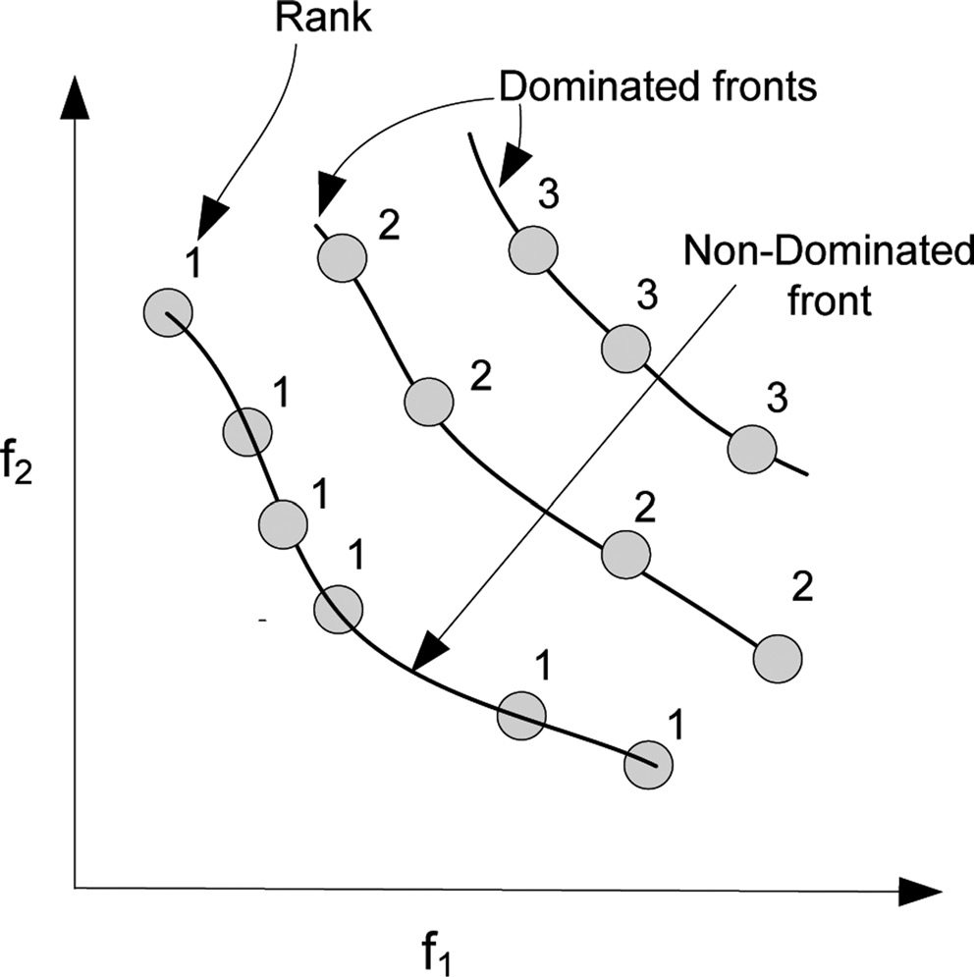
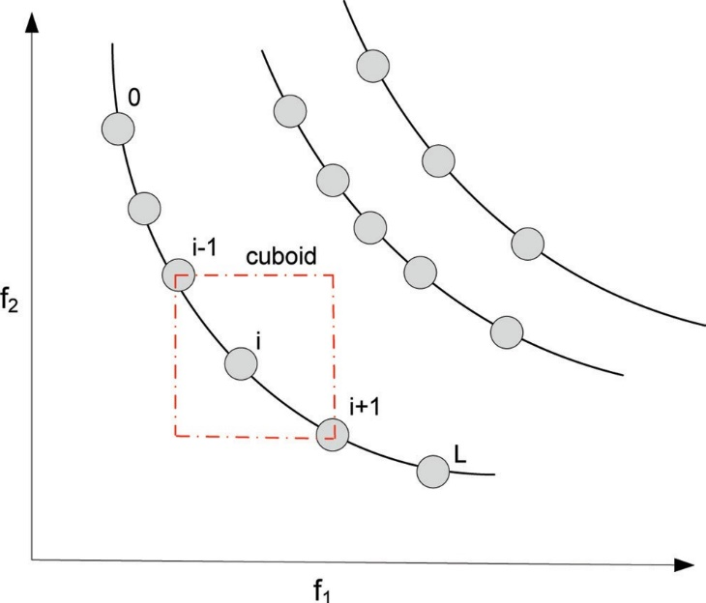
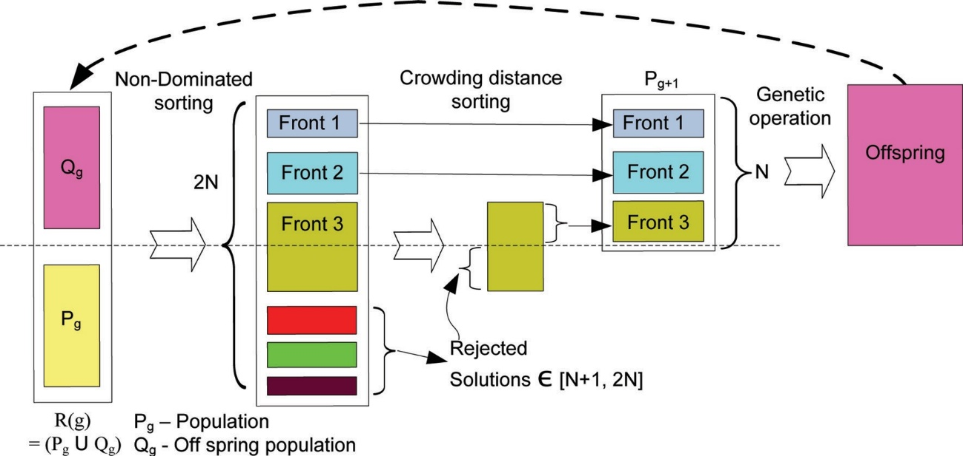
Table 1 Machining conditions

(a) Wire: uncoated brass wire of diameter 0.25 mm
(b) Work piece material: AISI D3
(c) Chemical composition: C – 2.00–2.35% ; Mn – 0.60% ; Si – 0.60% ; Cr –12.5% ; Ni – 0.30% ; W – 1.0% ; V – 1.0% ; Cu – 0.25% ; P – 0.03% ; S – 0.03%
(d) Workpiece dimensions: 250 mm L 12.5 mm B 12.5 mm H
(e) Length of cut: 12.5 mm
(f) Angle of cut: vertical
(g) Location of workpiece: at the centre of the table
(h) Servo reference voltage: 35 V
(i) Dielectric temperature: 25◦C
(j) Dielectric fluid: distilled water

Table 2 Feasible ranges of input variables

Feasible range
defined to start the run. |  |  |  |  |  |  | To decide the elements of
functional sets, initially some trial runs were con-
ducted with different combinations. It was found that
the probability of successful solution was the great-
est when only the basic arithmetic functions were
used. Hence the arithmetic elements of addition |  |  |  |  |  |  |  |  |  |  |  |  |  |  |  | (+),
subtraction |  |  | (−), | multiplication (*), and division |  |  |  |  |  |  |  |  |  |  |  | (\)
were included in the functional set.
Input variable |  |  | Units |  | Notation |  |  |  |  | Lower limit |  | Upper limit
Pulse-on time |  |  | µs |  | x1 |  |  |  |  | 5 |  | 13
Pulse-off time |  |  | µs |  | x2 |  |  |  |  | 20 |  | 40
Wire tension |  |  | g |  | x3 |  |  |  |  | 1 |  | 9
Wire feed rate |  |  | mm/min |  | x4 |  |  |  |  | 3 |  | 7
the trial experiments, the variables, namely, pulse-on time (x1), pulse-off time (x2), wire tension (x3), and wire feed (x4) were considered as the decision (con- trol) variables; andthe MRR andthesurface roughness
The terminal set consists of all input variables of the WEDM process. However,
One way to enable GP to evolve numeric constants is to include a numerical terminal in some reasonable range that represents a randomly generated real number.
 |  | a numerical constant has also to be added
as a design variable because numerical constants are
important in most models, as it will generally be a
combination of input values and numeric constants
that produces the required empirical model.
Ra were considered as the output responses. |  |  |  |  |  |  |  |  |  |  |  |  | MRR was
calculated as the ratio of volume of material removed
from workpiece to the machining time and Ra |  |  |  |  |  |  |  |  |  |  |  |  |  |  | was
measured perpendicular to the cutting direction using
a Mitutoyo surface roughness tester at a 0.8 mm cut-
off value and an average of six measurements were
taken at six different locations to record the response
value for Ra.
 | The machiningconditionsatwhich theexperiments
were conducted are listed in Table 1.
 |  |  |  |  |  |  |  |  |  |  |  |  |  |  | Well
diversified model trees may result by these numeri-
cal constants. Therefore, the random floating-point
numbers from the range |  |  |  |  |  | (− |  | 20, 20), were added to the
set of the terminals.
The feasible ranges of process parameters are listed in Table 2. A
Preliminary experiments were performed to deter- mine the best parameter settings for the GP algorithm. These preliminary test runs in the GP system were exe- cuted for theoutputparameters independently.
 |  |  |  |  |  |  |  |  |  |  |  |  |  | Based
on these experiments, the final parameters used to
generate the models are given in Table 5. |  |  |  |  |  |  |  |  |  |  | The param-
eter, depth of a tree, in Table 5 represents the length
of the largest non-backtracking path from the root
node to the end point. Generally, the evolutionary
process of GP has a tendency to evolve uncontrol-
lably large trees, resulting in much complicated model
trees, which eventually leads to complex expressions.
Hence to evolve parsimonious model trees it is neces-
sary to limit the depth of the tree. In the present work,
this is set to 6 to evolve simple expressions that are
easy to interpret.
 | Evolutionary algorithms are generally robust to
variations of control parameters [31] and some guide-
lines are provided in reference [32] for choosing the
control parameters of standard GP. Tests with pop-
ulations of different sizes of 250, 350, and 500 were
performed. In all cases, the best results were achieved
with the large populations. |  |  |  |  |  |  |  |  | However, it was noted
good number of experiments were conducted within
the feasible domains of individual variables so as to
have sufficient data for effective modelling. The exper-
imental data taken were grouped into two sets: the
training dataset and the validation dataset. The train-
ing dataset was used to predict the expression that
best suits the problem and the validation data were
used to validate the developed model and to ensure
the generalization capability of the predicted model
for unseen cases.

The training and validation datasets are shown in Tables 3 and 4 respectively.
8 IMPLEMENTATION OF GP
The unique aspect of GP compared to traditional
regression-based methods is it does not assume any a
priori functional form of the solution. Only the con-
stituent elements of the desired function need to be

Table 8
the maximum value of R2 was obtained. |  |  | R2 was used
as the fitness measure in order to check whether
the fitted models actually describe the experimental
data. Figures 9 and 10 show the convergence graphs
of the models predicted by the proposed algorithm.
The fitness measures for MRR and Ra |  |  | have gradu-
ally improved with the number of generations and
finally converged to 0.9793 and 0.9898 respectively.
This shows that the models can explain the variation
in the MRR and Ra up to the extents of 97.93 per cent
and 98.98 per cent, respectively. On the basis of the
high values of R2 it can be said that the models are
adequate in representing the process. The normal probability plots of the residuals for the
output responses are also shown in Figs 11 and 12.
A check on these plots reveals that the residuals are
located on a straight line, which means that the errors
are distributed normally and the obtained models are
fairly well fitted with the observed values. A comparison of the predicted models and the
experimental values for the validation datasets of MRR
and | Ra | are shown in Figs 13 and 14 respectively.
Very high values of R2 for MRR and Ra of validation
sets are obtained and found to be 0.9898 and 0.998,
respectively; these indicate that the developed models
satisfactorily represent the outputs.
8.1 Interpretation of the developed models
The developed equations reveal some unique aspects. For example, equation (2) obtained for MRR is short as well as accurate. Also, the explicit relation allows sim- ple ad hoc interpretation of the problem at hand; for example, looking closely at the model, the x1 variable (pulse-on time) is visible only in the numerator part as both a linear and a quadratic term. This indicates that pulse-on time has a pronounced effect on MRR and is directly related to it. On the other hand, the x2 variable (pulse-off time) appears in the denominator more often. This gives a hint that the pulse-off time has an inverse effect on MRR. Similar conclusions can also be drawn from other machining parameters. The detailed main effects and interaction effects for both the outputs are discussed in the following sections. It should be noted that if a particular parameter does not influence the output, during the course of evolution, it gets eliminated.
8.2 Effect of process parameters on material removal rate
8.2.1 Direct effects
As seen in Fig. 15 (a), MRR increases with the increase in pulse-on time. Increase in pulse-on time increases
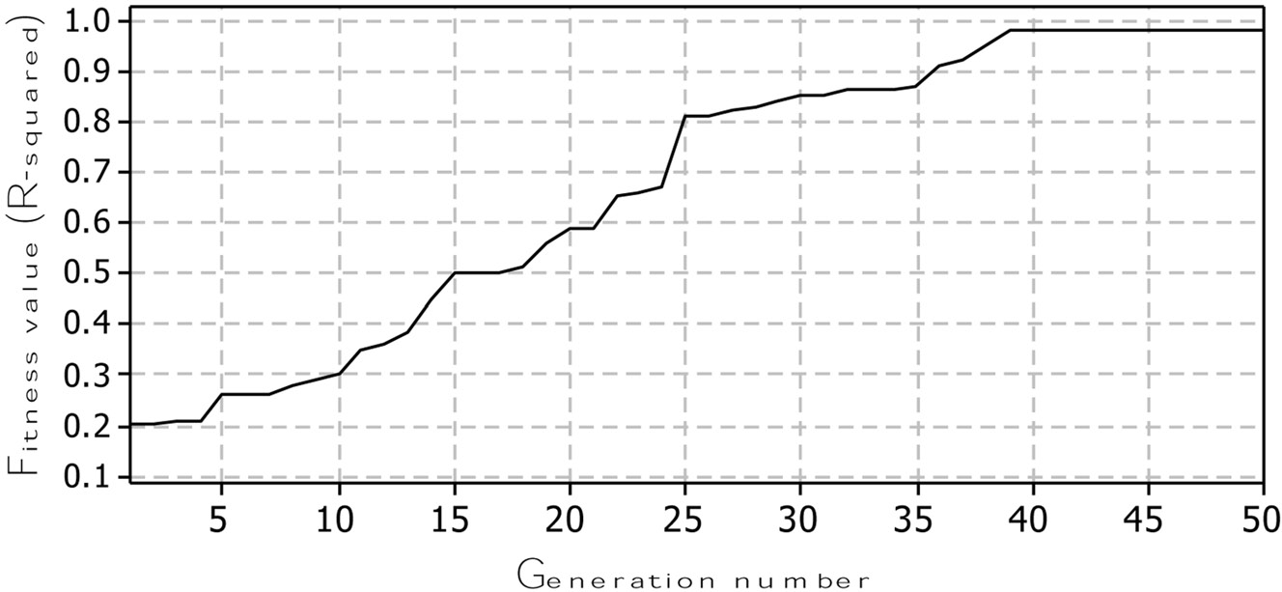
Fig. 9 Convergence plot of MRR model
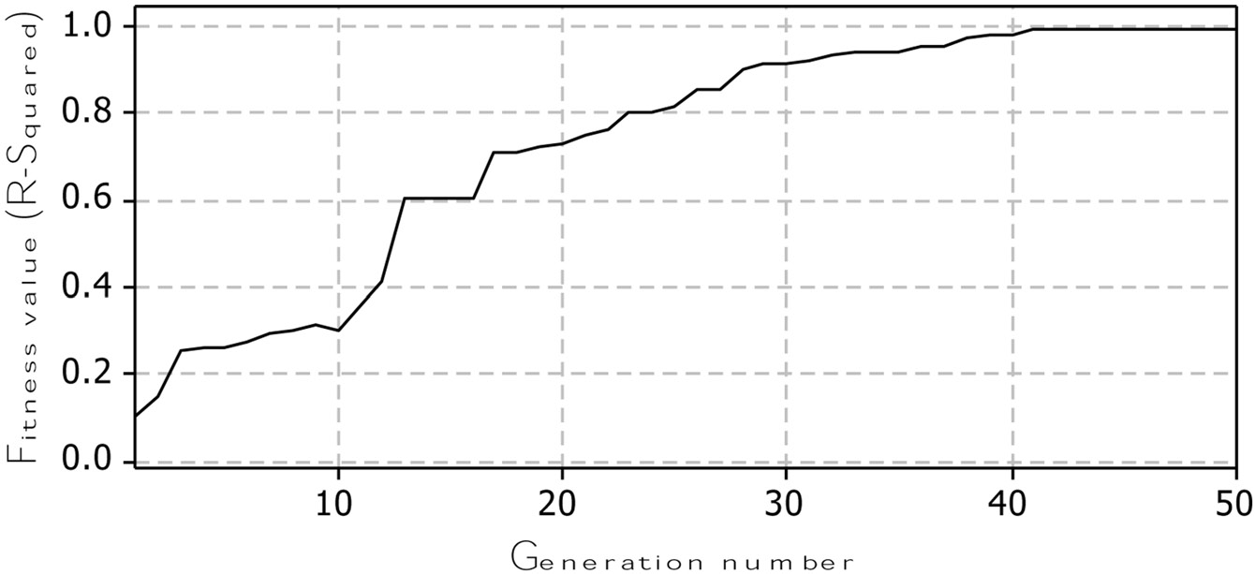
Fig. 10 Convergence plot of Ra model

Fig. 11 Normal probability plot of residuals for MRR

Fig. 12 Normal probability plot of residuals for Ra
the level of discharge energy, which subsequently causes a more powerful explosion and hence leads to more metal removal from the workpiece. Higher val- ues of pulse-on time lead to a greater amount of metal removal.
On the contrary, Fig. 15(b) shows that MRR decreases with the increase in pulse-off time. This happens as the discharge current decreases and a smaller amount of material is removed. It is desirable to use lower values of pulse-off time to obtain higher

Fig. 13 Comparison of predicted values and experimental values of validation dataset for MRR

Fig. 14 Comparison of predicted values and experimental values of validation dataset for Ra
rates of metal removal. MRR is almost invariable with the change in wire tension, as seen in Fig. 15(c). A similar pattern is observed with change in wire feed, as depicted in Fig. 15(d); MRR is slightly decreased with increase in wire feed.
8.2.2 Interaction effects
Figure 16 shows the interaction plots for MRR. It can be observed from Fig. 16(a) that high values of
pulse-on time together with low values of pulse-off time produce high MRR. This happens owing to the high levels of discharge energy, which causes a power- ful explosion and results in deep craters on the surface of the workpiece. Deep craters indicate high rates of metal removal. The interaction plot of pulse-on time and wire tension on MRR is shown in Fig. 16(b). It can be observed from the figure that high MRR is achieved at both the high values of pulse-on time and wire tension. However, as can be observed, the

Fig. 15 Individual effects of input variables on MRR

Fig. 16 Interaction effects of input variables on MRR
effect of wire tension is not predominant. The inter- action plot of pulse-on time and wire feed is shown in Fig. 16(c). It can be observed that high values of pulse-on time together with low values of wire feed produce high MRR. Figure 16(d) shows the interac- tion plot of pulse-off time and wire tension on MRR. It is necessary to maintain low values of pulse-off time and high values of wire tension to obtain high
MRR. On the contrary, MRR decreases with both the increase in pulse-off time and wire feed as shown in Fig. 16(e). The interaction plot of wire tension and wire feed, depicted in Fig. 16(f), shows that the effect of wire tension when compared to wire feed on MRR is almost insignificant. A greater value of MRR is achieved when lower values of wire feed are used.

Table 9

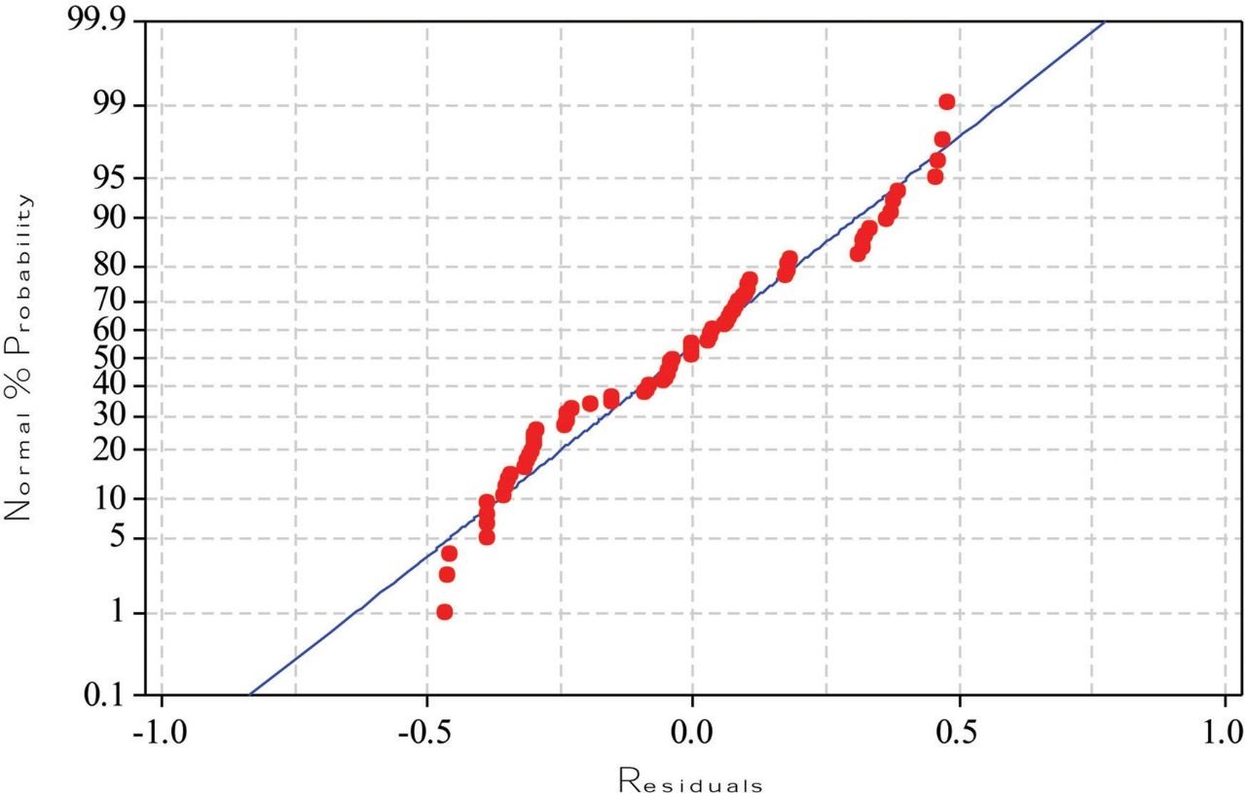


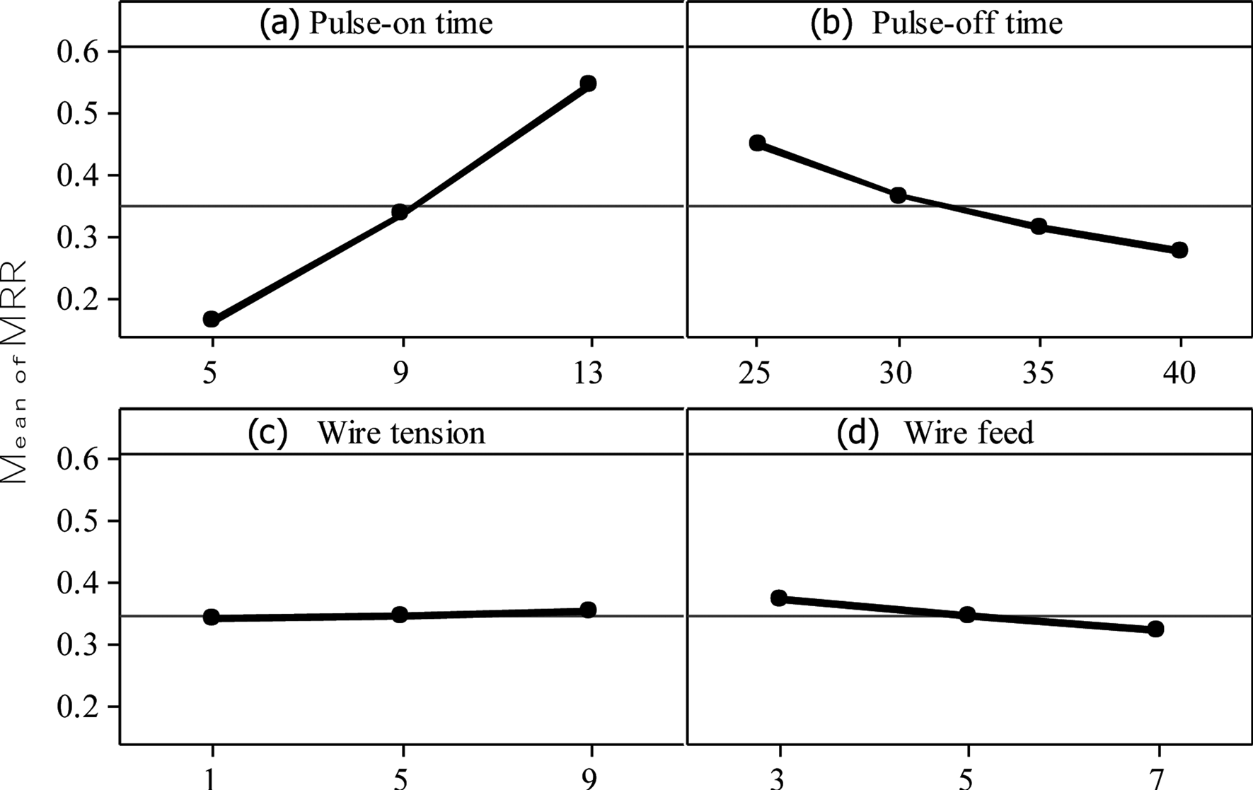
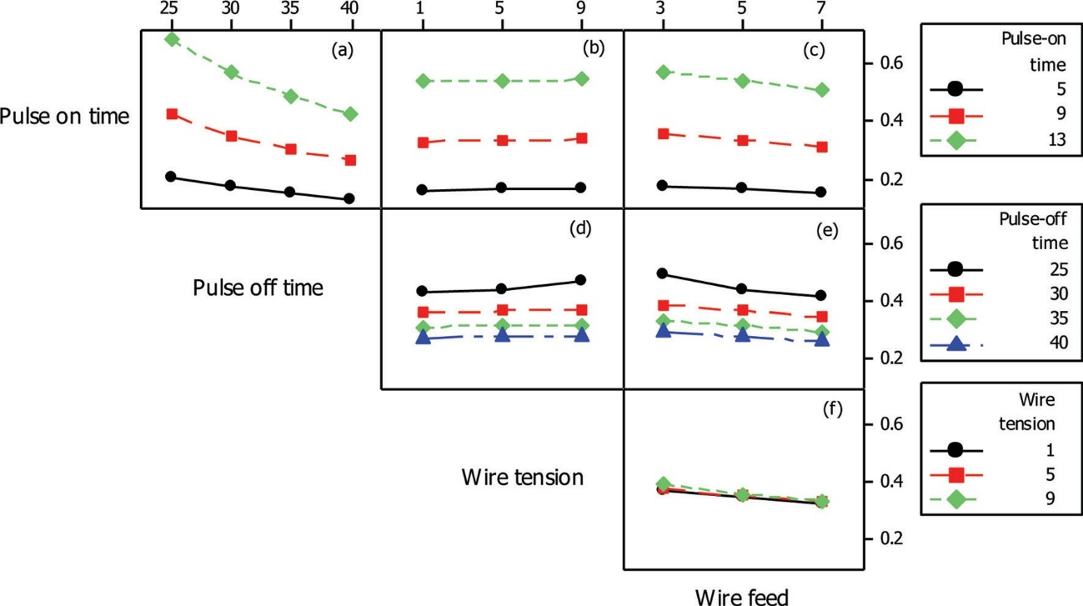
8.3 Effect of process parameters on surface roughness
8.3.1 Direct effects
From Fig. 17(a), it is observed that Ra increases with the increase in pulse-on time. This indicates that the discharge energy becomes more intense with a higher value of pulse-on time. The higher discharge energy causes a more powerful explosion and deeper craters are formed on the machined surface. This results in a rougher surface. Hence to obtain good surface finish the pulse-on time should be as low as possi- ble. On the other hand, low pulse-on time leads to longer machining time. The individual effect of pulse- off time on surface roughness can be observed from Fig. 17(b). The roughness decreases with the increase in pulse-off time, as discharge energy decreases and subsequently deep craters are not formed. Hence, this leads to good surface quality. However, high pulse-off time leads to low MRR. The effect of wire tension on surface roughness, as seen in Fig. 17(c), is that hardly any improvement in surface quality is achieved with any higher value of wire tension. A similar pattern is observed from Fig. 17(d) for wire feed on Ra.
8.3.2 Interaction effects
Figure 18 shows the interaction plots for surface roughness. As observed from Fig. 18(a), Ra decreases with low values of pulse-on time and high values of
feed are to be used. From Fig. 18(d), it is noted that higher values of pulse-off time together with the lower values of wire tension produce better surface quality. On the other hand, both higher values of pulse-off time and wire feed rate produce better surface qual- ity, as observed from Fig. 18(e). Figure 18(f), the interactive plot of wire tension and wire feed, shows that Ra is increased with low values of wire feed rate but the effect of wire tension can be observed to be insignificant.
Finally, it is evident from sections 8.2 and 8.3 that, among the chosen four control factors, only pulse-on time and pulse-off time have a profound effect on both the responses, whereas the effects of wire tension and wire feed are found to be insignificant.
9 FORMULATION OF MULTI-OBJECTIVE OPTIMIZATION PROBLEM
which are given by equations (2) and (3) respec- tively. The two objective functions are optimized subject to the feasible bounds of input variables. The optimization problem is defined as follows.
Maximize
The two objective functions considered in this study
are:
(a) maximization of material removal rate;
(b) minimization of surface roughness;
pulse-off time. The interaction plot of pulse-on time
1 .
x3 Σ
x1 (x1−x4) .1+0.0377x4x2Σ
and wire feed, Fig. 18(b), indicates that Ra decreases with low values of pulse-on time and the effect of wire tension is observed to be not particularly significant. Figure 18(c) displays the interaction plot of pulse-on
MRR = x2
Minimize
x1+ x2 +
2

x4x3
time and wire feed rate. To obtain good surface qual- ity, low values of pulse-on time and high values of wire
Ra=
x4Σx2 + 2 (x1 − x2) − x3 + 144Σ

72x4 − x1 + x1x4
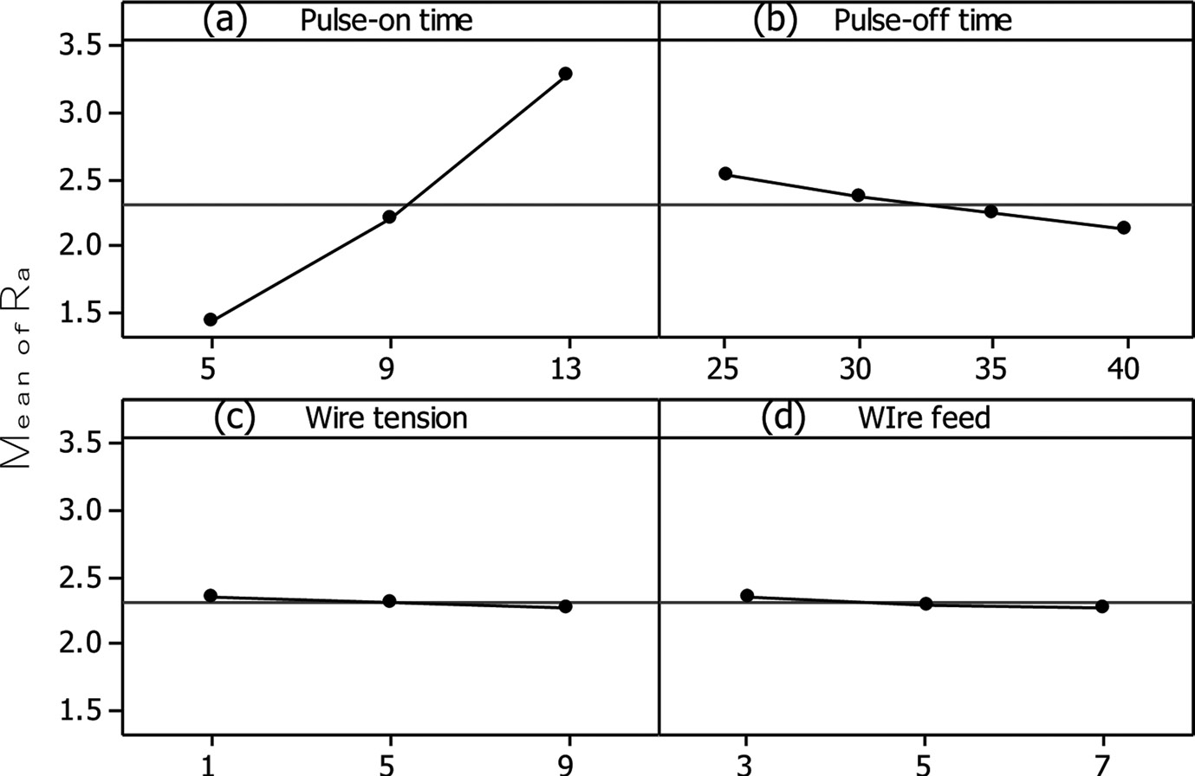
Fig. 17 Individual effects of input variables on Ra

Table 10
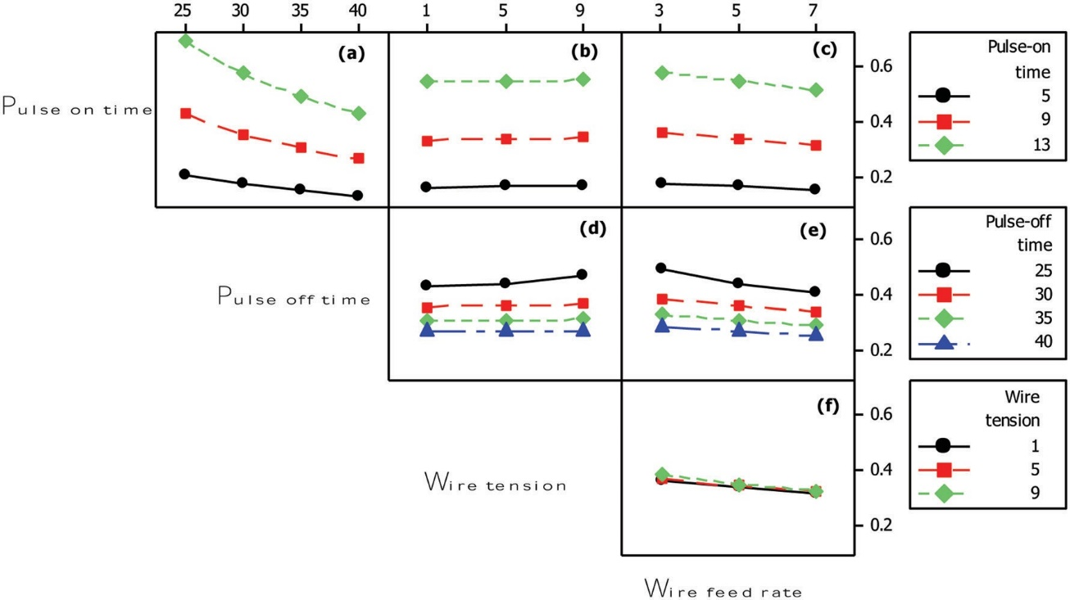
Fig. 18 Interaction effects of input variables on Ra
Subject to
5 ™ x1 ™ 13
20 ™ x2 ™ 30
1 ™ x3 ™ 9
3 ™ x4 ™ 7

10 RESULTS AND DISCUSSION
The source code of the proposed optimization algo- rithm was run on a Pentium IV processor using Microsoft VC++ programming language on a Windows XP platform. The control parameters required for implementation of the algorithm are listed in Table 6.
Table 6 Control parameters

Population size (N ) 50
Number of generations (ngen) 100
Crossover probability (pc) 0.9
Mutation probability (pm) 0.25
Distribution index for crossover operator (nc) 20
Distribution index for mutation operator (nm) 20
To illustrate further the advantage of the proposed methodology, two more examples are explained as
quality | of | 1.27 µm, | the | set | of | input |  |  | variables |  | may
be selected from the eighth row of Table 7. |  |  |  |  |  |  |  |  |  | Accord-
ingly, the MRR of 0.151 g/min would be achieved.
follows. | From the experimental results of Table 3, the
parameters listed in the 13th row lead to the Ra value
of 1.48 µm and the MRR of 0.147 g/min. After opti-
mization, it can be noted that the MRR is increased
to 0.197 g/min for the same surface finish (Sl No. 18,
Table 7), with a 34 percentincreasein MRR. Inanother
instance, from Table 3, 38th row, the set of input vari-
ables leads to the MRR of 0.41 g/min and the Ra value
of 2.42 µm. After optimization, the Ra value is reduced
to 2.06 µm (Sl No. 36, Table 7) with almost the same
value of MRR.
The algorithm found the Pareto optimal front of the
conflicting objective functions with good diversity of
the solutions, as shown in Fig. 19. The optimal input
variables and their corresponding objective function
values are presented in Table 7. |  |  |  |  |  |  | By analysing the
Pareto front, some decisions could be taken, depend-
ing upon specific requirements of the process. For
instance, at point 1, a component can be machined
with the best surface quality but with minimum MRR.
On the other extreme of the front, i.e. at point 2, the
highest material removal rate can be achieved but it
will be of the worst surface quality. All the other points
are in-between cases. As can be observed from the graph, no solution in the front is better than any other as they are non-dominated solutions.
The scanning electron microscopy (SEM) photo- graphs of the samples that correspond to the best values of MRR and Ra are shown in Figs 20(a) and (b). Those values of MRR and Ra correspond to the extreme positions (point-1 and point-2) of the Pareto optimal set shown in Fig. 19. As can be observed from the photographs, the variation of Ra is conspicu- ous with respect to the different optimal sets of input variables.
 |  |  |  |  |  |  |  | The choice of a
solution has to be made purely based on production
requirements. For example, if a manufacturing engi-
neer chooses to machine a component with a surface

Table 12
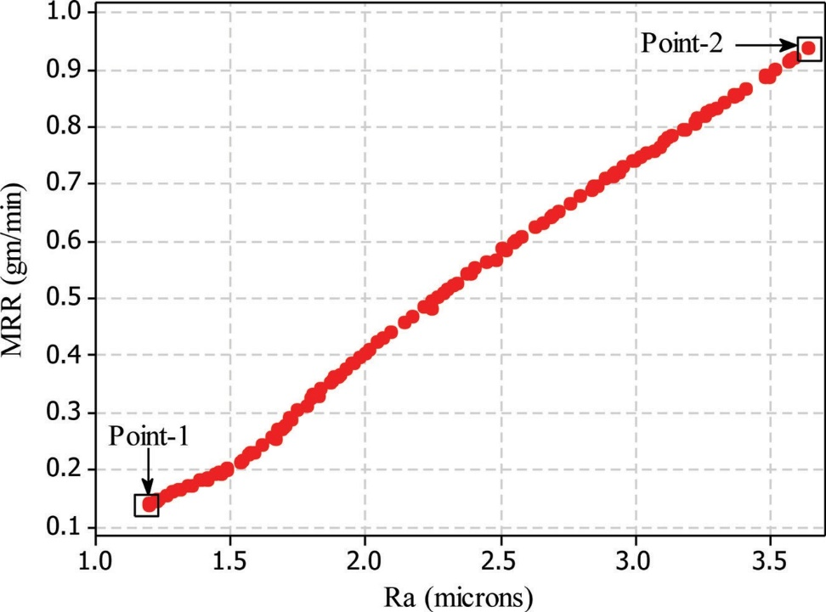
Fig. 19 Pareto optimal front
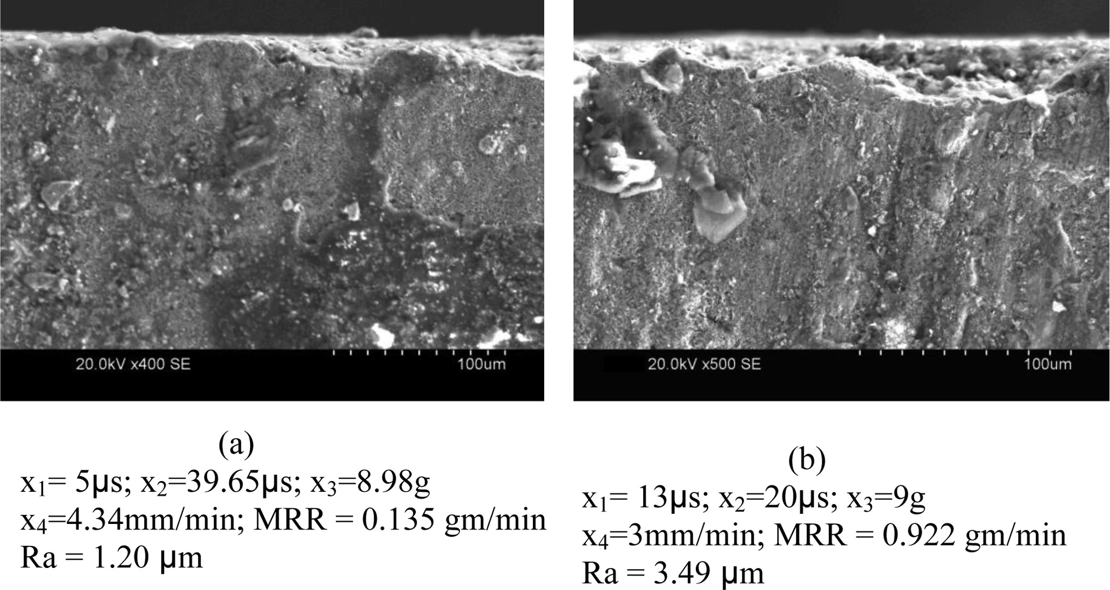
Fig. 20 SEM photographs at the optimal values of individual output responses
variables depending upon the specific requirements.
The selection of optimum values is essential for the
process automation and implementation of a com-
puter integrated manufacturing system.
© Authors 2011
REFERENCES
1 Ho, K. H., Newman, S. T., Rahimifard, S., and
Allen, R. D. State of art in wire electrical discharge
machining (WEDM). Int. J. Mach. Tools Mf., 2004, 44, 1247–1259.
2 Warren Liao, T. and Chen, L. J. Manufacturing process modeling and optimization based on multi-layer per- ceptron network. Trans. ASME, J. Mfg Sci. Engng, 1998, 120, 109.
3 Scott, D., Sreedhar, B., and Rajurkar, K. P. Analysis and optimization of parameter combinations in wire electri- cal discharge machining. Int. J. Prod. Res., 1991, 29(11), 2189–2207.
4 Tarng, Y. S., Ma, S. C., and Chung, L. K. Determi- nation of optimal cutting parameters in wire electrical
discharge machining. Int. J. Mach. Tools Mf., 1995,
35(12), 1693–1701.
5 Spedding, T. A. and Wang, Z. Q. Study on modeling of wire EDM process. J. Mater. Processing Technol., 1997, 69, 18–28..
6 Huang, J. T., Liao, Y. S., and Hsue, W. J. Determina- tion of finish cutting operation number and machining parameters setting in wire electrical discharge machin- ing. J. Mater. Processing Technol., 1999, 87, 69–81.
7 Ramakrishnan, R. and Karunamoorthy, L. Sur- face roughness model for CNC wire electro discharge machining. J. Mfg Technol. Today, 2004, 3(5), 8–11.
8 Hewidy, M. S., El-Taweel, T. A., and El-Safty, M. F. Modeling the machining parameters of wire electrical discharge machining of Inconel 601 using RSM. J. Mater. Processing Technol., 2005, 169, 328–336.
9 Sarkar, S., Mitra, S., and Bhattacharyya, B. Paramet- ric optimisation of wire electrical discharge machining of γ titanium aluminide alloy through an artificial neu- ral network model. Int. J. Advd Mfg Technol., 2006, 27, 501–508.
10 Manna, A. and Bhattacharyya, B. Taguchi and Gauss elimination method: A dual response approach for parametric optimization of CNC wire cut EDM of PRAl- SiCMMC. Int. J. Advd Mfg Technol., 2006, 28, 67–75.
11 Han, F., Jiang, J., and Yu, D. Influence of machining parameters on surface roughness in finish cut of WEDM. Int. J. Advd Mfg Technol., 2007, 34, 538–546.
12 Chiang, Ko-Ta Modeling and analysis of the effects of machining parameters on the performance characteris- tics in the EDM process of Al2O3+TiC mixed ceramic.
Int. J. Advd Mfg Technol., 2008, 37, 523–533.
13 Jain, N. K., Jain, V. K., and Jha, S. Parametric optimiza- tion of advanced fine-finishing processes. Int. J. Advd Mfg Technol., 2007, 34, 1191–1213.
14 Sardiñas, R. Q., Santana, M. R., and Brindis, E.
A. Genetic algorithm based multiobjective optimiza- tion of cutting parameters in turning processes. Engng Applic. Artif. Intell., 2006, 19, 127–133. DOI:10.1016/j. engappai.2005.06.007.
15 Fonseca, C. M. and Fleming, P. J. Genetic algorithms for multiobjective optimization: formulation, discussion, and generalization. In Proceedings of the 5th Inter- national Conference on Genetic algorithms, Urbana- Champaign, IL, USA, 1 June 1993, pp. 416–423 (Morgan Kaufmann, San Mateo).
16 Horn, J., Nafpliotis, N., and Goldberg, D. E. A niched Pareto genetic algorithm for multiobjective optimiza- tion. In Proceedings of the 1st IEEE Conference on Evolutionary computation, IEEE World Congress on Computational intelligence, Orlando, Florida, 27–29 June 1994, vol. 1 pp. 82–87.
17 Zitzler, E. and Thiele, L. Multiobjective optimization using evolutionary algorithms – a comparative case
study. In Proceedings of the 5th International Con- ference on Parallel problem solving from nature (Eds A. E. Eiben, T. Bäck, M. Schoenauer, and
H. P. Schwefel), Amsterdam, 27–30 September 1998, pp. 292–301 (Springer, Berlin).
18 Srinivas, N. and Deb, K. Multiobjective function opti- mization using nondominated sorting in genetic algo- rithms. Evolutionary Comput., 1994, 2(3), 221–248. DOI: 10.1162/evco.1994.2.3.221.
19 Deb, K., Pratap, A., Agarwal, S., and Meyarivan,
T. A fast and elitist multiobjective genetic algorithm: NSGA-II. IEEE Trans. Evolutionary Comput., 2002, 6(3), 187–192.
20 Koza, J. R. Genetic programming: On the programming of computers by means of natural selection, 1992 (MIT Press, Cambridge, MA).
21 Dolinsky, J. U., Jenkinson, I. D., and Colquhoun, G. J. Application of genetic programming to the calibration of industrial robots. Comput. Ind., 2007, 58, 255–264.
22 Zhang, L., Jack, L. B., and Nandi, A. K. Fault detec- tion using genetic programming. Mech. Syst. Signal Processing, 2005, 19, 271–289.
23 Ashour, A. F., Alvarez, L. F., and Toropov, V. V. Empir- ical modelling of shear strength of RC deep beams by genetic programming. Comput. Structs, 2003, 81, 331–338.
24 Bastian, A. Identifying fuzzy models utilizing genetic programming. Fuzzy Sets and Syst., 2000, 113, 333–350.
25 Nastran, M. and Balic, J. Prediction of metal wire behav- ior using genetic programming. J. Mater. Processing Technol., 2002, 122, 368–373.
26 Brezocnik, M., Kovacic, M., and Ficko, M. Prediction of surface roughness with genetic programming. J. Mater. Processing Technol., 2004, 157–158, 28–36.
27 Kovacic, M., Uratnik, P., Brezocnik, M., and Turk, R. Prediction of the bending capability of rolled metal sheet by genetic programming. Mater. Mfg Processes, 2007, 22(5), 634–640.
28 Sette, S. and Boullart, L. Genetic programming: princi- ples and applications. Engng Applic. Artif. Intell., 2001, 14, 727–736.
29 Deb, K. Multi-objective optimization using evolution- ary algorithms, 1st edition, Wiley-Interscience Series in Systems and Optimization, 2001 (John Wiley, Chich- ester/New York).
30 Deb, K. and Agrawal, R. B. Simulated binary crossover for continuous search space. Complex Syst., 1995, 9(3), 115–148.
31 Fonlupt, C. Solving the ocean color problem using a genetic programming approach. Appl. Soft Comput., 2001, 1(2), 63–72.
32 Zonker, D. and Punch, B. Lilgp user’s manual, 1996 (Michigan State University, East Lansing, MI).

